Лист1
Id | Preconditions | Steps | Attachments | Expected result | Attachments
1 | 1. The site https://knowledgecloud.us is opened 2. User is logged in | 1. Click the "+" button near the "Add New Article". | 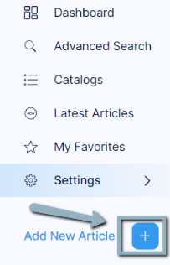 | "Add New Article" page is opened. | 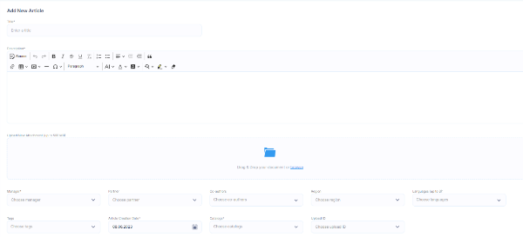
 |  | 2. Fill in the "Title" field with valid data. | 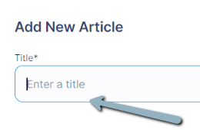 | 1. The "Add New Article" is filled. 2. Errors aren`t displayed. | 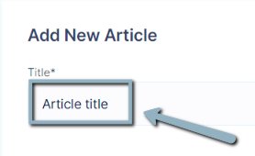
 |  | 3. Fill in the "Description" field with valid data. | 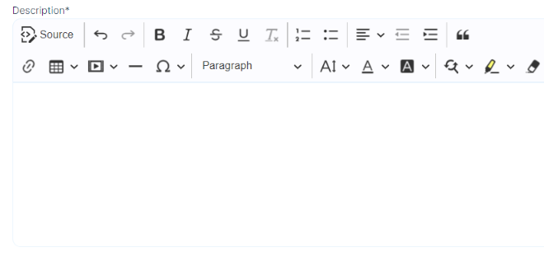 | 1. The "Description" field is filled. 2. Errors aren`t displayed. | 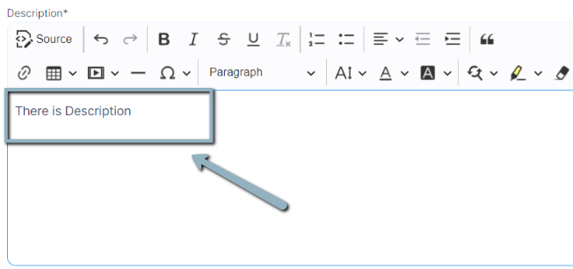
 |  | 4. Click on the "Browse" button and choose a document up to 500Mb to add. | 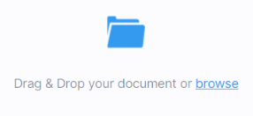 | 1. Added file is displayed above the "Attachments" field.
 |  | 5. Choose a Manager in the "Manager" field. |  | Manager`s name is displayed in the filed.
 |  | 6. Choose a Partner in the "Partner" field. |  | Partner`s name is displayed in the field.
 |  | 7. Choose a Co-author in the "Co-authors" field. |  | Co-author`s name is displayed in the field.
 |  | 8. Choose a Region from the list of "Region" field. |  | Region`s name is displayed in the field.
 |  | 9. Choose a Language from the list of "Languages" field. |  | Chosen languages are displayed in the field.
 |  | 10. Choose a Tag from the list of "Tags" field. |  | The chosen tag is displayed in the field.
 |  | 11. Choose the Article creation date by clicking the "Calendar" icon in the "Article Creation Date" field. |  | The chosen date is displayed in the field.
 |  | 12. Choose a Catalog from the list of the "Catalogs" field. |  | The chosen catalog is displayed in the field.
 |  | 13. Choose Upload ID in the "Upload ID" field. |  | The ID is displayed in the field.
 |  | 14. Click the "Save and Publish" button. |  | Confirmation dialog is displayed. | 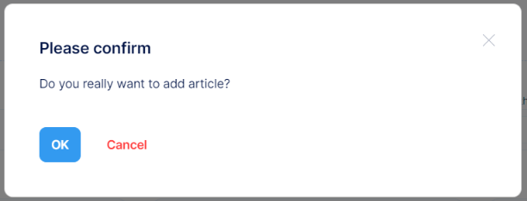
 |  | 15. Click the "OK" button. | 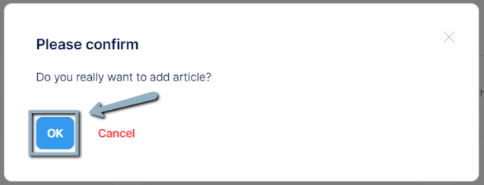 | 1. The message "Article successfully created" is shown; 2. Created article is displayed on the "Articles" page.

